Tourism
Year | Inbound Tourists | Tourism Revenue (USD) | USD Exchange Rate | EUR Exchange Rate | GBP Exchange Rate | KWD Exchange Rate
2010 | 14731000 | 13633000000 | 5.7309275862 | 7.5086606897 | 8.8957627586 | 20.100076552
2011 | 9845000 | 9333000000 | 5.9580928571 | 8.305239916 | 9.5590277311 | 21.597089496
2012 | 11532000 | 10823000000 | 6.0347834008 | 7.765354251 | 9.5698910931 | 21.564618623
2013 | 9464000 | 6747000000 | 6.875347541 | 9.1340192623 | 10.756561066 | 24.254048361
2014 | 9878000 | 7979000000 | 7.0776926941 | 9.4702680365 | 11.717149772 | 24.936255708
2015 | 9328000 | 6897000000 | 7.7072913043 | 8.4927571429 | 11.770029814 | 25.530268944
2016 | 5399000 | 3306000000 | 10.086001653 | 11.098821901 | 13.486713636 | 33.344517355
2017 | 8292000 | 8636000000 | 17.893275 | 20.205637705 | 23.047806557 | 59.01459918
2018 | 11346000 | 12704000000 | 17.880941152 | 21.120131276 | 23.874712346 | 59.215504938
2019 | 13026000 | 14256000000 | 17.481616832 | 19.76660396 | 22.724352475 | 57.56
 | Correlation Between Factors |  |  |  |  |  |  |  |  | Python Output

 |  | Inbound Tourists | Tourism Revenue (USD) | USD Exchange Rate | EUR Exchange Rate | GBP Exchange Rate | KWD Exchange Rate
 | Inbound Tourists | 1
 | Tourism Revenue (USD) | 0.92201367232 | 1
 | USD Exchange Rate | -0.02825816559 | 0.30574918419 | 1
 | EUR Exchange Rate | 0.016211729619 | 0.35243768572 | 0.99366671565 | 1
 | GBP Exchange Rate | -0.011711249695 | 0.31884231288 | 0.99692656429 | 0.99591199772 | 1
 | KWD Exchange Rate | -0.018824382131 | 0.31747527652 | 0.99950764606 | 0.9964553878 | 0.99754633374 | 1

 | Linear Regression between Inbound tourists and Tourism Revenue
 | SUMMARY OUTPUT |  |  |  |  |  |  |  |  |  | Linear Regression between Inbound tourists and Tourism Revenue
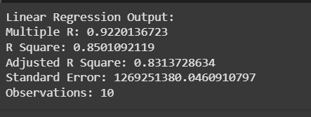
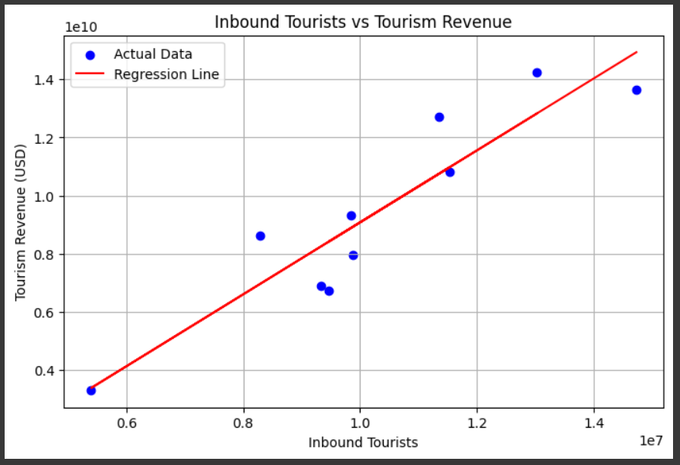
 | Regression Statistics
 | Multiple R | 0.92201367232
 | R Square | 0.85010921195
 | Adjusted R Square | 0.83137286344
 | Standard Error | 1419066183.2
 | Observations | 10

 | ANOVA
 |  | df | SS | MS | F | Significance F
 | Regression | 1 | 9.1368199743E+19 | 9.1368199743E+19 | 45.372192541 | 0.00014716959417
 | Residual | 8 | 1.6109990657E+19 | 2.0137488322E+18
 | Total | 9 | 1.074781904E+20

 |  | Coefficients | Standard Error | t Stat | P-value | Lower 95% | Upper 95% | Lower 95.0% | Upper 95.0%
 | Intercept | -3285376906.7 | 1940513729.5 | -1.6930449173 | 0.12890216526 | -7760209591.3 | 1189455777.9 | -7760209591.3 | 1189455777.9
 | Inbound Tourists | 1236.5473796 | 183.5759897 | 6.7358884003 | 0.00014716959417 | 813.22038823 | 1659.874371 | 813.22038823 | 1659.874371

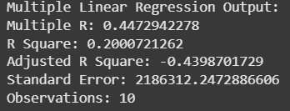
 | Multiple Regression between Inbound tourists and Exchange Rate |  |  |  |  |  |  |  |  | Multiple Regression between Inbound tourists and Exchange Rate
 | SUMMARY OUTPUT

 | Regression Statistics
 | Multiple R | 0.44729422776
 | R Square | 0.20007212619
 | Adjusted R Square | -0.43987017286
 | Standard Error | 3091912.4317
 | Observations | 10

 | ANOVA
 |  | df | SS | MS | F | Significance F
 | Regression | 4 | 1.1955290474E+13 | 2.9888226184E+12 | 0.31264088417 | 0.85855977691
 | Residual | 5 | 4.7799612426E+13 | 9.5599224853E+12
 | Total | 9 | 59754902900000

 |  | Coefficients | Standard Error | t Stat | P-value | Lower 95% | Upper 95% | Lower 95.0% | Upper 95.0%
 | Intercept | 12778377.465 | 10152081.228 | 1.258695353 | 0.26371090007 | -13318378.134 | 38875133.063 | -13318378.134 | 38875133.063
 | USD Exchange Rate | 5739555.8396 | 14325895.964 | 0.40064201597 | 0.70522970459 | -31086332.104 | 42565443.784 | -31086332.104 | 42565443.784
 | EUR Exchange Rate | 4214711.3762 | 5273991.638 | 0.79915018178 | 0.46046376351 | -9342515.7298 | 17771938.482 | -9342515.7298 | 17771938.482
 | GBP Exchange Rate | -775548.22095 | 2885800.4195 | -0.26874631236 | 0.79886125998 | -8193734.3605 | 6642637.9186 | -8193734.3605 | 6642637.9186
 | KWD Exchange Rate | -2937421.7749 | 5682313.2881 | -0.5169411868 | 0.62724236386 | -17544273.098 | 11669429.548 | -17544273.098 | 11669429.548

